ITP-003
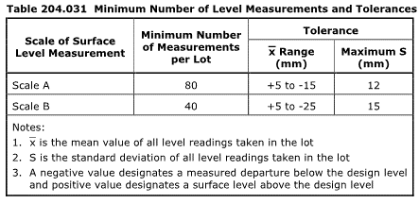
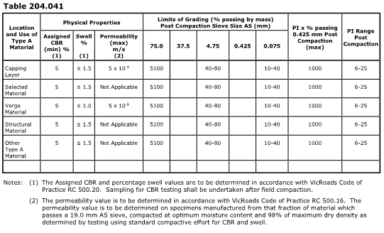
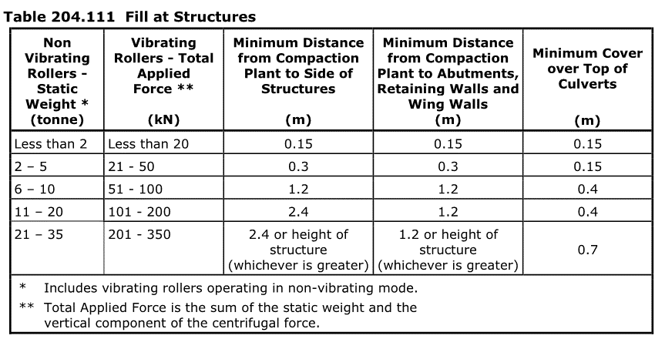
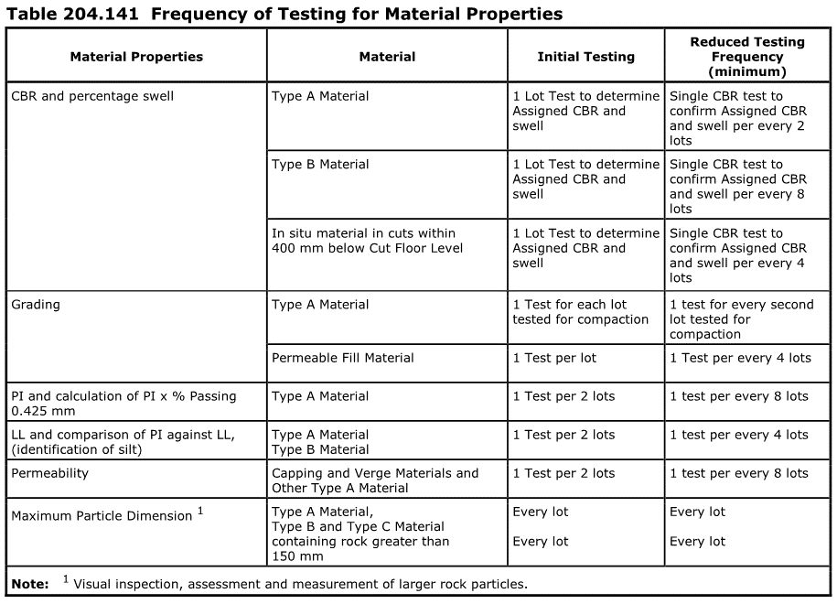
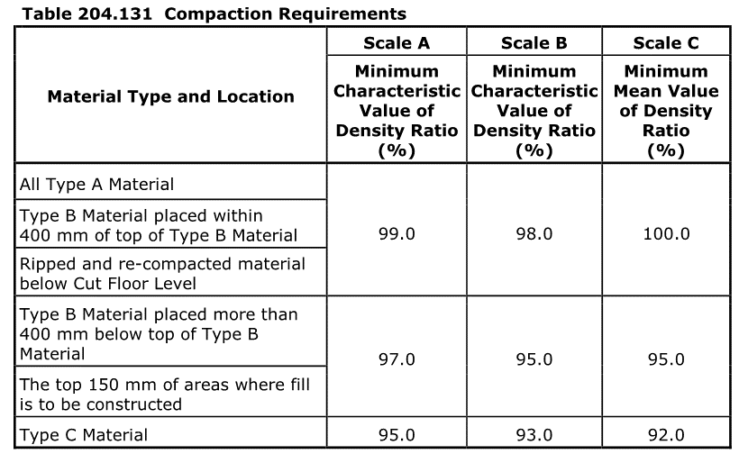
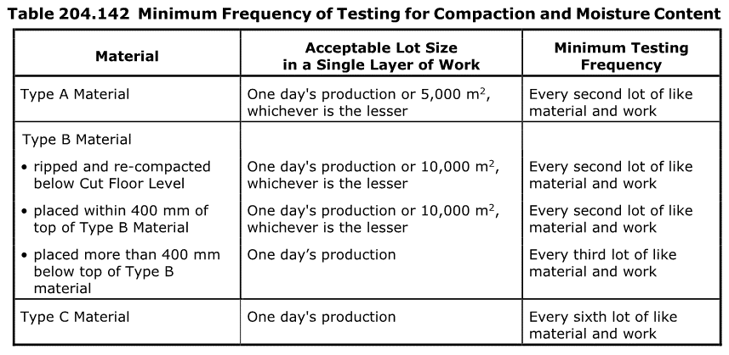
 |  |  | Inspection and Test Plan - Control and Supervision of the Works |  |  |  |  |  |  |  | Document # ITP-013
 |  |  |  |  |  |  |  |  |  |  | Revision : 0 | Date : 01/11/2024

Client: |  | Department of State Growth |  | Construction Process: |  | Prepared by: |  | Reviewed by : |  |  | Approved by :
Project: |  | Davey To Macquarie Street Connection - Roadworks |  | Plavement of draingage and fill behind retaining walls |  | Name: |  | Name: |  |  | Name:
 |  |  |  | Specifications: Specifications Section 204, Contract Specific Clauses, EMP, TMS
Contract No: |  | 3741 |  | Structure / Component: Retaining Walls |  | Signed : |  | Signed : |  |  | Signed :
 |  |  |  | Location: |  | Date : |  | Date : |  |  | Date :

Lot No: |  |  | Lot Details: |  |  |  |  |  | Lot Size/ Quantity:

Item | Task/Activity Description |  | Inspection / Controls and Verification Detail |  |  |  |  | HP/ WP/ AP/ IP/ TP/ SCP | Responsibility | Checked by:
No. |  |  | Frequency | Acceptance Criteria | Reference Documents | Inspection / Test Method | Record of conformity |  | Project Engineer Site Engineer Superintendent Surveyor Foreman | Client | Fulton Hogan | Independent QA Verifier | Date
1 | Preliminary Works
1.1 | Check for correct documentation |  | Prior to commencing any activity | Ensure that all employees and subcontractors are: - using the correct and complete set of drawings -all drawings are the latest revision | Drawings and drawing registers | Visual inspection | This ITP signed off | HP* | Site Engineer / Site Foreman | N/A |  | N/A
1.2 | Implementation of all measures and controls |  | Prior to commencing any activity | All necessary measures and controls are being implemented, that is: PMP, EMP, TMP, JSEA, SWMS & Work Pack | PMP, EMP, TMP, JSEA, SWMS, Work Pack | Visual Inspection | This ITP signed off | HP* | Site Engineer / Site Foreman | N/A |  | N/A
2 | Construction Works
2.1 | Survey Set-Out |  | Prior to commencement of excavation | Area has been set out in accordance with the drawings | Work Procedure | Verify | This ITP signed off | IP | Site Engineer/ Surveyor | N/A |  | N/A
2.2 | Excavation Permit |  | Each lot | An excavation permit must be issued prior to any excavation commencing. Plant and equipment shall be appropriate for the task. Excavation operations shall not disturb areas outside the limit of excavation | Excavation permit | Verify | This ITP Signed Off | HP* | Site Engineer | N/A |  | N/A
2.4 | Placing Fill |  | Prior to Commencing Fill | Placing fill shall not commence on the prepared areas until the area has been reviewed by the Superintendent | DSG Spec. Cl. 204.10(b) | Site Inspection | Area reviewed by Superintendent Signed ITP | HP | Site Engineer / QAV | N/A
2.8 | Groundwater |  | Each Lot | HOLD POINT Where groundwater is encountered the contractor shall notify the superintendent and submit proposed action for review. The Contractor shall submit any necessary approvals from relevant authorities for the treatment and disposal of this groundwater | 204.06 (h) | Visual inspection | This ITP signed off, Work Procedure | HP | Site Engineer/ Superintendent |  |  | N/A
3.7 | Fill Placement next to Structures |  | Prior to Placement | HOLD POINT No fill shall be placed against or within 3 m of a structure until the foundation for the fill has been reviewed by the Superintendent. | DSG Spec. Cl. 204.11(b) | Site Inspection | Signed ITP | HP | Site Engineer / QAV | N/A
3.7 | Compaction of Fill next to Structures |  | Placement of Fill | The permeable fill material shall be placed in conjunction with the adjacent fill in layers not exceeding 150 mm compacted thickness, and compacted to refusal using hand operated 120Kg vibratory plate compactor. Compaction plant shall not be operated within the minimum distances from structures shown in Table 204.111 The difference in level of any fill being placed on opposite sides of a structure or structural component shall not exceed H/4 or 500 mm, whichever is the lesser, where H is the height of the structure. | DSG Spec. Cl. 204.11(b) Drawing 0320-0321 | Visual Inspection | This ITP signed off, Work Procedure | IP | Site Engineer / QAV | N/A
3.7 | Topsoiling (Behind Wall) |  | Each Lot | Supply of Imported Topsoil meets requirements of Specification Section 720 and Table 720.03, at a minimum depth of 75mm | DSG Spec. Cl. 720.03, Table 720.031, Table 720.051 | Visual Inspection | Signed ITP | IP | Site Engineer | N/A |  | N/A
3.7 | Landscape Works (Behind Wall) |  | Each Lot | Landscaping and/or Grassing as per NOAW Agreements, drawings | Notice of Acommodation Works Drawing 0320-0321 | Visual Inspection | Signed ITP | IP | Site Engineer | N/A |  | N/A
3 | Testing
3.1 | Proof Rolling |  | Each Lot | Proof rolls to be conducted in accordance with Section 173, before proceeding to subbase construction. The Contractor shall submit a test rolling procedure to the Superintendent including the method of preparing an area for test rolling, the extent of test rolling and a requirement to provide not less than 24 hours notice of the location and commencement time for the test rolling to the Superintendent. | 173.03, 204.12 | Visual Inspection | This ITP signed off | HP* WP | Site Engineer/ QAV | N/A
3.2 | Materials Property Testing |  | Each Lot | Refer to Reference Documents for particular Frequency of Testing and Material Properties Testing Requirements. Table 204.161 for Project Specific Scales for each applicable Road Name or Area. | Tables 204.141, 204.142, 204.161 | Verify | This ITP Signed, Test Records | TP | Site Engineer | N/A |  | N/A

 | Final Inspection
 | The signature below verifies that this ITP has been completed in accordance with the FH’s Quality system Procedures and verifies lot compliance with specifications.
 | Print Name: |  | Position: |  | Signature: |  |  |  |  | Date: / /

Legend
HP | Hold Point | Work shall not proceed past the HP until released by the Superintendent |  |  | IP | Inspection point |  | Formal Inspection to be done and recorded
HP* | FH Hold Point | Work shall not proceed past the HP* until released by FH |  |  | TP | Test Point |  | Product compliance test to be undertaken and recorded/reported
WP | Witness Point | An inspection which must be witnessed by the Superintendent |  |  | SCP | Survey conformance point |  | A qualified surveyor to check product/section/structure and report
AP | Approval Point | Written or verbal approval given by the Superintendent

